Sheet1
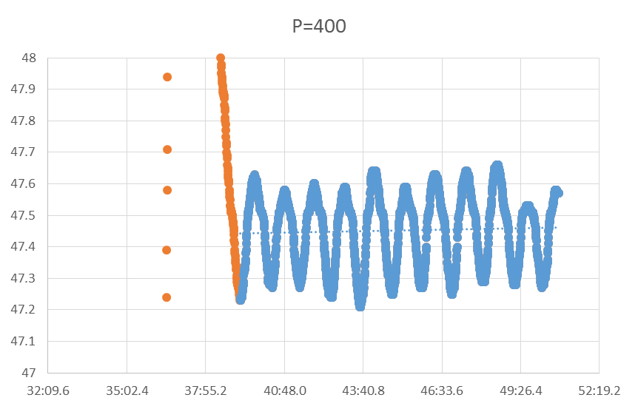
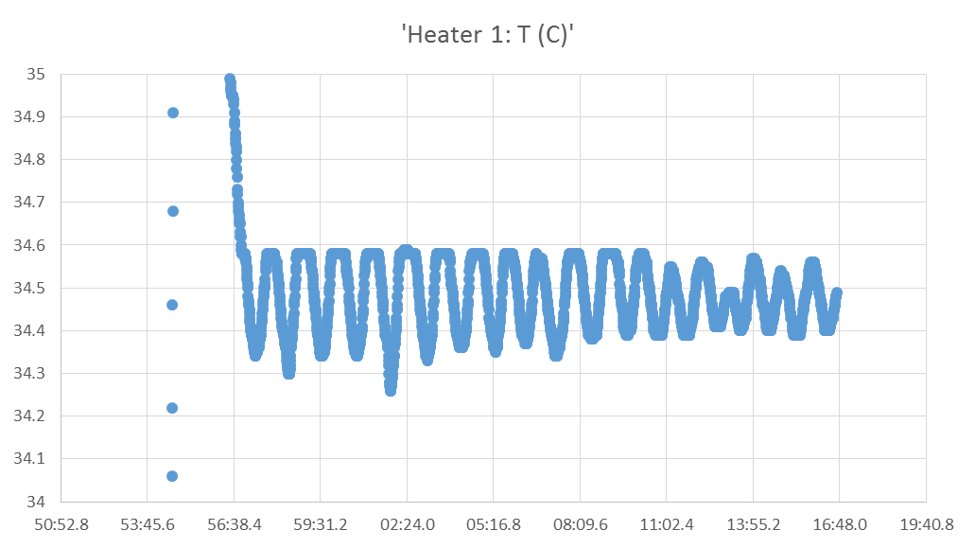
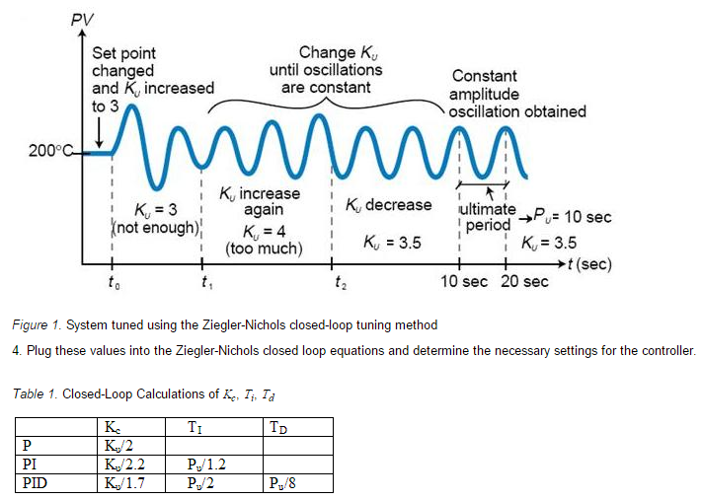
PID
 |  | from 300.2 | from | https://controls.engin.umich.edu/wiki/index.php/PIDTuningClassical#Ziegler-Nichols_Method
Ku | 400 | 300
Pu | 66 | 61.6

Kc | 235.29411765 | 176.47058824
Ti | 33 | 30.8
Td | 8.25 | 7.7

P | 235.29411765 | 176.47058824
I | 7.1301247772 | 5.7295645531
D | 1941.1764706 | 1358.8235294

